1
TABLE 1

POPULATION AS OF JULY 1, 2016 - 2024
CANADA AND PROVINCES

Province/Territory: | 2016 | 2017 | 2018 | 2019 | 2020 | 2021 | (r) | 2022 | (r) | 2023 | (r) | 2024 | (p)

Newfoundland | 529,586 | 529,742 | 528,402 | 527,643 | 526,884 | 527,056 |  | 531,308 |  | 538,907 |  | 545,247
Annual change (%) | 0.2 | 0.0 | -0.3 | -0.1 | -0.1 | 0.0 |  | 0.8 |  | 1.4 |  | 1.2
Prince Edward Island | 146,891 | 149,740 | 152,259 | 155,792 | 159,193 | 162,133 |  | 167,213 |  | 173,713 |  | 178,550
Annual change (%) | 1.6 | 1.9 | 1.7 | 2.3 | 2.2 | 1.8 |  | 3.1 |  | 3.9 |  | 2.8
Nova Scotia | 942,984 | 952,159 | 962,072 | 975,799 | 989,168 | 999,908 |  | 1,025,263 |  | 1,056,486 |  | 1,076,374
Annual change (%) | 0.6 | 1.0 | 1.0 | 1.4 | 1.4 | 1.1 |  | 2.5 |  | 3.0 |  | 1.9
New Brunswick | 763,322 | 766,697 | 770,497 | 777,387 | 783,432 | 790,802 |  | 809,264 |  | 832,190 |  | 854,355
Annual change (%) | 0.5 | 0.4 | 0.5 | 0.9 | 0.8 | 0.9 |  | 2.3 |  | 2.8 |  | 2.7
Quebec | 8,225,036 | 8,292,832 | 8,386,951 | 8,483,186 | 8,551,095 | 8,572,020 |  | 8,673,184 |  | 8,848,020 |  | 9,056,044
Annual change (%) | 0.6 | 0.8 | 1.1 | 1.1 | 0.8 | 0.2 |  | 1.2 |  | 2.0 |  | 2.4
Ontario | 13,876,500 | 14,078,499 | 14,326,746 | 14,573,565 | 14,761,811 | 14,842,488 |  | 15,141,455 |  | 15,623,207 |  | 16,124,116
Annual change (%) | 1.2 | 1.5 | 1.8 | 1.7 | 1.3 | 0.5 |  | 2.0 |  | 3.2 |  | 3.2
Manitoba | 1,314,140 | 1,334,734 | 1,352,687 | 1,370,033 | 1,380,132 | 1,391,924 |  | 1,412,568 |  | 1,454,743 |  | 1,494,301
Annual change (%) | 1.6 | 1.6 | 1.3 | 1.3 | 0.7 | 0.9 |  | 1.5 |  | 3.0 |  | 2.7
Saskatchewan | 1,135,496 | 1,147,315 | 1,156,210 | 1,164,223 | 1,167,386 | 1,167,711 |  | 1,178,455 |  | 1,209,307 |  | 1,239,865
Annual change (%) | 1.2 | 1.0 | 0.8 | 0.7 | 0.3 | 0.0 |  | 0.9 |  | 2.6 |  | 2.5
Alberta | 4,195,427 | 4,237,310 | 4,292,556 | 4,355,377 | 4,407,495 | 4,431,531 |  | 4,510,747 |  | 4,684,514 |  | 4,888,723
Annual change (%) | 1.1 | 1.0 | 1.3 | 1.5 | 1.2 | 0.5 |  | 1.8 |  | 3.9 |  | 4.4
British Columbia | 4,861,269 | 4,934,202 | 5,020,979 | 5,111,022 | 5,176,101 | 5,226,665 |  | 5,357,486 |  | 5,531,553 |  | 5,698,430
Annual change (%) | 2.0 | 1.5 | 1.8 | 1.8 | 1.3 | 1.0 |  | 2.5 |  | 3.2 |  | 3.0
Yukon | 38,549 | 39,533 | 40,403 | 41,187 | 41,958 | 42,961 |  | 43,900 |  | 45,463 |  | 46,704
Annual change (%) | 2.3 | 2.6 | 2.2 | 1.9 | 1.9 | 2.4 |  | 2.2 |  | 3.6 |  | 2.7
Northwest Territories | 44,624 | 44,656 | 44,536 | 44,442 | 44,504 | 44,579 |  | 44,634 |  | 44,681 |  | 44,731
Annual change (%) | 0.0 | 0.0 | 0.0 | 0.0 | 0.0 | 0.0 |  | 0.0 |  | 0.0 |  | 0.0
Nunavut | 36,979 | 37,656 | 38,322 | 38,839 | 39,479 | 40,086 |  | 40,457 |  | 40,700 |  | 41,159
Annual change (%) | 0.9 | 0.1 | -0.3 | -0.2 | 0.1 | 0.2 |  | 0.1 |  | 0.1 |  | 0.1

CANADA | 36,110,803 | 36,545,075 | 37,072,620 | 37,618,495 | 38,028,638 | 38,239,864 |  | 38,935,934 |  | 40,083,484 |  | 41,288,599
Annual change (%) | 1.1 | 1.2 | 1.4 | 1.5 | 1.1 | 0.6 |  | 1.8 |  | 2.9 |  | 3.0

r: revised data p: preliminary data

Note: All population data are based on the 2021 Census counts adjusted for net undercoverage.

Source: Statistics Canada. Table 17-10-0005-01 - Population estimates on July 1st, by age and sex

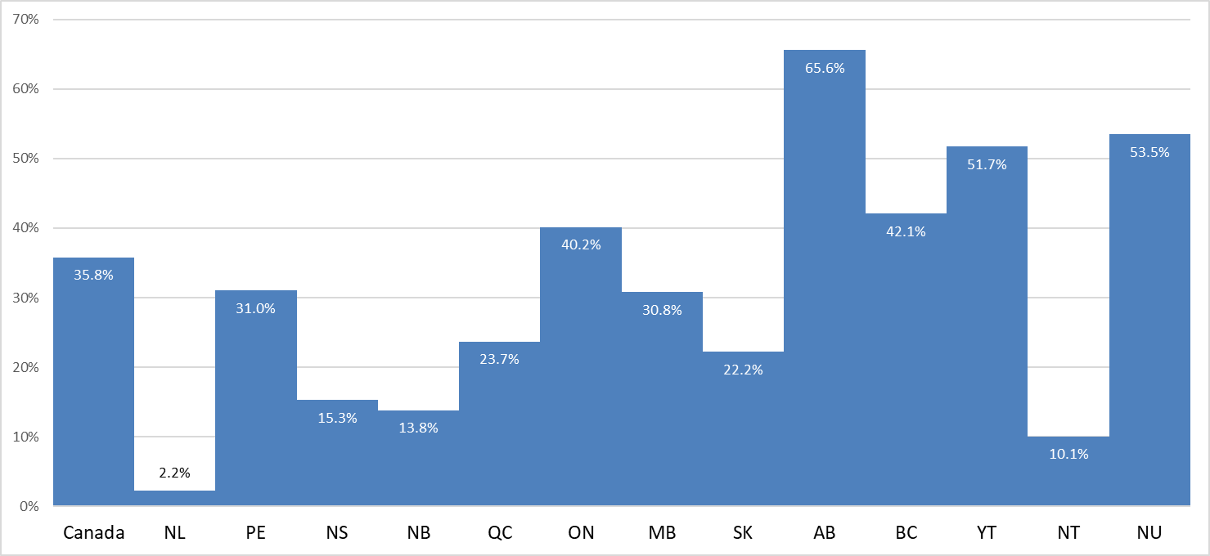
25 YEARS OF POPULATION GROWTH, CANADA, PROVINCES AND TERRITORIES, 1999 - 2024

 |  | Source: Statistics Canada, Centre for Demography

2
TABLE 2

POPULATION AND COMPONENTS OF GROWTH, 2009 - 2024
PRINCE EDWARD ISLAND

 |  |  | July 1 - June 30

 |  |  |  |  | Net |  | Other
 |  | July 1 |  |  | Interprovincial | International | International
Year |  | Population | Births | Deaths | Migration | Immigration | Migration | Residual

2009 |  | 139,873 | 1,407 | 1,183 | 60 | 1,792 | 116 | -421
2010 |  | 141,644 | 1,432 | 1,182 | -210 | 2,610 | 67 | -443
2011 |  | 143,918 | 1,407 | 1,250 | -618 | 1,376 | 164 | -582
2012 |  | 144,415 | 1,340 | 1,245 | -901 | 863 | 50 | -580
2013 |  | 143,942 | 1,398 | 1,269 | -941 | 1,400 | 146 | -581
2014 |  | 144,095 | 1,375 | 1,362 | -682 | 1,341 | 450 | -581
2015 |  | 144,636 | 1,397 | 1,126 | 30 | 2,015 | 511 | -572
2016 |  | 146,891 | 1,388 | 1,274 | 444 | 2,261 | 542 | -512
2017 |  | 149,740 | 1,295 | 1,370 | 177 | 2,089 | 840 | -512
2018 |  | 152,259 | 1,308 | 1,331 | 662 | 2,267 | 1,140 | -513
2019 |  | 155,792 | 1,344 | 1,406 | 1,150 | 2,079 | 747 | -513
2020 |  | 159,193 | 1,412 | 1,395 | 1,220 | 1,209 | 935 | -441
2021 | (r) | 162,133 | 1,393 | 1,498 | 1,708 | 3,439 | 38 | 0
2022 | (r) | 167,213 | 1,281 | 1,643 | 1,471 | 3,116 | 2,275 | 0
2023 | (r) | 173,713 | 1,379 | 1,697 | 82 | 4,149 | 924 | 0
2024 | (p) | 178,550

r: revised data p: preliminary data

Notes: All population data are based on the 2021 Census counts adjusted for net undercoverage.

Population t = Population (t-1) + births - deaths + net interprovincial migration + international migration + other international
migration - residual. Example: Population t(2024) = 173,713t(2023) + 1,379 - 1,697 + 82 + 4,149 + 924 - 0 = 178,550
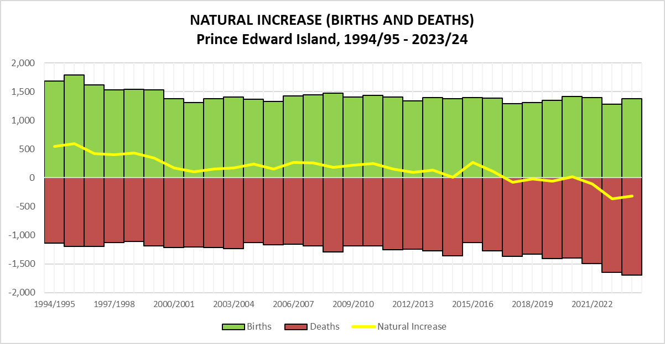

Source: Statistics Canada.
Table 17-10-0005-01 - Population estimates on July 1st, by age and sex
Table 17-10-0008-01 - Estimates of the components of demographic growth, annual

6
TABLE 6

COMPONENTS OF MIGRATION, 2008/2009 - 2023/2024
PRINCE EDWARD ISLAND

 |  | INTERNATIONAL MIGRATION |  |  | INTER-PROVINCIAL MIGRATION

 |  |  | Other Intl. | Net | In | Out | Net | Total Net
Year |  | Immigration | Migration* | Migration | Migration | Migration | Migration | Migration

2008/2009 |  | 1,723 | 193 | 1,916 | 2,522 | 3,058 | -536 | 1,380
2009/2010 |  | 1,792 | 116 | 1,908 | 2,709 | 2,649 | 60 | 1,968
2010/2011 |  | 2,610 | 67 | 2,677 | 2,494 | 2,704 | -210 | 2,467
2011/2012 |  | 1,376 | 164 | 1,540 | 2,620 | 3,238 | -618 | 922
2012/2013 |  | 863 | 50 | 913 | 2,294 | 3,195 | -901 | 12
2013/2014 |  | 1,400 | 146 | 1,546 | 2,198 | 3,139 | -941 | 605
2014/2015 |  | 1,341 | 450 | 1,791 | 2,367 | 3,049 | -682 | 1,109
2015/2016 |  | 2,015 | 511 | 2,526 | 2,874 | 2,844 | 30 | 2,556
2016/2017 |  | 2,261 | 542 | 2,803 | 3,124 | 2,680 | 444 | 3,247
2017/2018 |  | 2,089 | 840 | 2,929 | 3,193 | 3,016 | 177 | 3,106
2018/2019 |  | 2,267 | 1,140 | 3,407 | 3,562 | 2,900 | 662 | 4,069
2019/2020 |  | 2,079 | 747 | 2,826 | 4,500 | 3,350 | 1,150 | 3,976
2020/2021 | (r) | 1,209 | 935 | 2,144 | 3,846 | 2,626 | 1,220 | 3,364
2021/2022 | (r) | 3,439 | 38 | 3,477 | 5,240 | 3,532 | 1,708 | 5,185
2022/2023 | (r) | 3,116 | 2,275 | 5,391 | 5,302 | 3,831 | 1,471 | 6,862
2023/2024 | (p) | 4,149 | 924 | 5,073 | 4,057 | 3,975 | 82 | 5,155
r: revised data p: preliminary data
* Other Intl. Migration = NPRs + Returning Canadians - Emigrants - Canadians Temporarily Abroad
Note: All population data are based on the 2021 Census counts adjusted for net undercoverage.
These data cover the period July 1 to June 30.
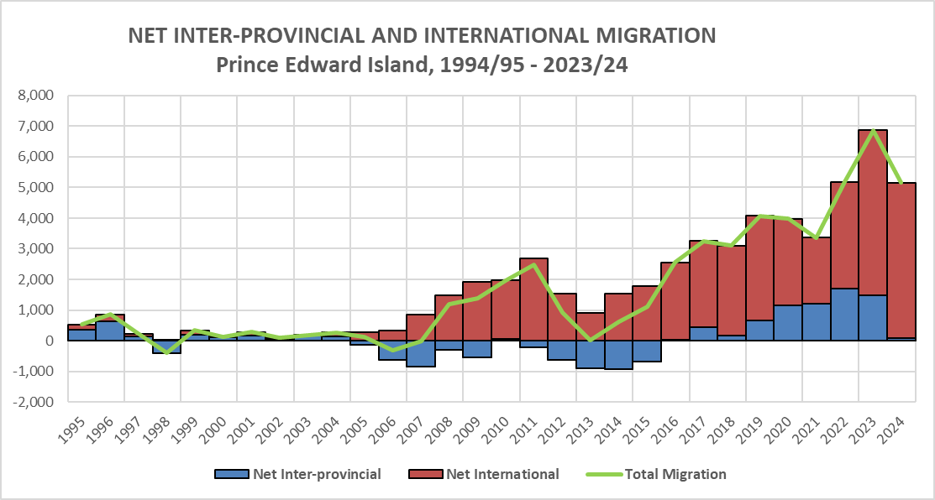

Source: Statistics Canada.
Table 17-10-0014-01 Estimates of the components of international migration, by age and sex, annual
Table 17-10-0015-01 Estimates of the components of interprovincial migration, by age and sex, annual

10
TABLE 10

FARM AND NON-FARM POPULATIONS, 1931-2021
PRINCE EDWARD ISLAND

Census | Total Population |  | Farm Population |  | Non-farm Population
Year | Number | Percentage | Number | Percentage | Number | Percentage

1931 | 88,038 | 100.0 | 55,478 | 63.0 | 32,560 | 37.0
1941 | 95,047 | 100.0 | 51,067 | 53.7 | 43,980 | 46.3
1951 | 98,429 | 100.0 | 46,855 | 47.6 | 51,574 | 52.4
1956 | 99,285 | 100.0 | 43,296 | 43.6 | 55,989 | 56.4
1961 | 104,629 | 100.0 | 34,753 | 33.2 | 69,876 | 66.8
1966 | 108,535 | 100.0 | 31,041 | 28.6 | 77,494 | 71.4
1971 | 111,635 | 100.0 | 21,040 | 18.8 | 90,595 | 81.2
1976 | 118,225 | 100.0 | 15,790 | 13.4 | 102,435 | 86.6
1981 | 122,506 | 100.0 | 12,515 | 10.2 | 109,991 | 89.8
1986 | 126,640 | 100.0 | 10,770 | 8.5 | 115,870 | 91.5
1991 | 129,765 | 100.0 | 8,675 | 6.7 | 121,090 | 93.3
1996 | 134,557 | 100.0 | 7,825 | 5.8 | 126,732 | 94.2
2001 | 135,294 | 100.0 | 6,070 | 4.5 | 129,224 | 95.5
2006 | 135,851 | 100.0 | 5,295 | 3.9 | 130,556 | 96.1
2011* | 137,375 | 100.0 | 5,150 | 3.7 | 132,225 | 96.3
2016* | 139,685 | 100.0 | 4,390 | 3.1 | 135,295 | 96.9
2021* | 150,480 | 100.0 | 3,955 | 2.6 | 146,525 | 97.4
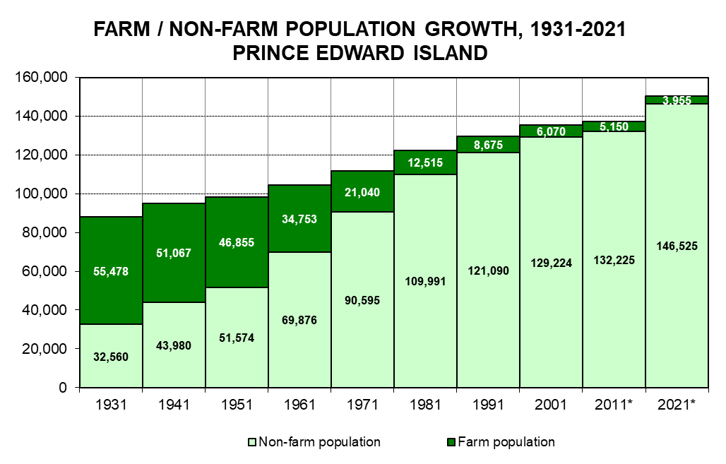

* Total Population does not equal the Census of Population total. This linkage excludes data pertaining to collective households.

Source: Statistics Canada
1931 - 2006, Census of Population and Census Agriculture, Agriculture-Population Linkage Data
2011 - Table 32-10-0197-01 Number of persons in the total population and the farm population, for rural areas and population centres, classified by sex and age
2016 - Table 32-10-0012-01 Number of persons in the total population and the farm population, for rural areas and population centres classified by sex and age
2021 - Table 32-10-0396-01 Farm population and total population for rural areas and population centres classified by gender and age

26
TABLE 26

AVERAGE HOUSEHOLD EXPENDITURES, 2015 - 2023
PRINCE EDWARD ISLAND
(DOLLARS)

 | 2015 | 2016 | 2017 | 2019 | 2021 | 2023

Total expenditure | 68,441 | 68,278 | 71,100 | 75,249 | 78,854 | 86,289
Annual change (%) | 0.1 | -0.2 | 4.1 | 5.8 | 4.8 | 9.4

Total current consumption: | 50,994 | 50,638 | 53,055 | 56,662 | 58,594 | 65,900
Annual change (%) | -1.2 | -0.7 | 4.8 | 6.8 | 3.4 | 12.5

Food | 7,546 | 7,702 | 8,170 | 9,231 | 10,395 | 12,048
Shelter | 13,071 | 12,787 | 13,402 | 14,048 | 15,549 | 18,326
Household operation | 4,390 | 4,550 | 4,687 | 5,728 | 5,759 | 6,286
Household furnishing and equipment | 1,926 | 1,490 | 2,040 | 1,967 | 3,138 | 3,001
...
Games of chance (net) | 122 | 142 | 103 | 167 | 247 | 192
Miscellaneous expenditures | 1,168 | 1,215 | 1,256 | 1,398 | 1,180 | 1,538

Income taxes | 10,932 | 11,589 | 11,611 | 11,853 | 14,211 | 13,840
Insurance payments and pension contributions | 4,769 | 4,457 | 4,576 | 4,823 | 4,719 | 5,546
Gifts of money and contributions | 1,747 | 1,594 | 1,857 | 1,911 | 1,330 | 1,003

r: revised data p: preliminary data

Starting with the 2017 reference year, the Survey of Household Spending is conducted every two years.
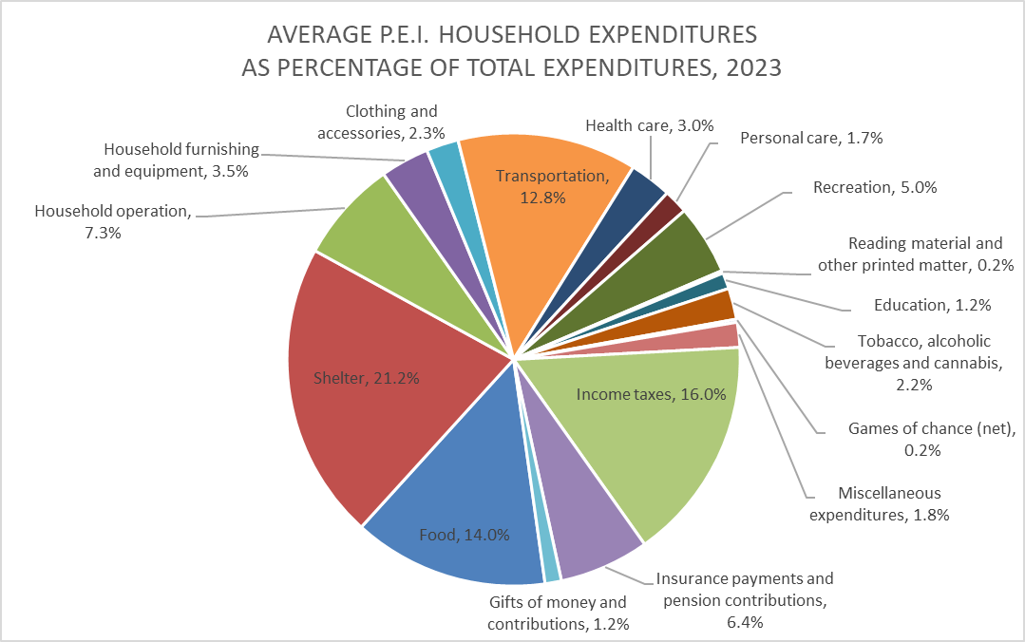

Source: Statistics Canada. Table 11-10-0222-01 Household spending, Canada, regions and provinces

45
...
Wholesale trade | 2.1 | 2.2 | 2.2 | 1.9 | 1.7 | 1.7
Retail trade | 6.6 | 6.7 | 6.8 | 6.6 | 6.8 | 6.6
Transportation and Warehousing | 3.2 | 2.5 | 2.4 | 2.3 | 2.3 | 2.3
Information and Cultural industries | 2.5 | 2.6 | 2.4 | 2.4 | 2.4 | 2.3
Finance, Insurance, Real Estate and Renting | 17.6 | 18.9 | 18.1 | 18.1 | 18.2 | 18.4
Professional and Business services | 5.4 | 5.3 | 5.4 | 5.5 | 5.5 | 5.3
Education services | 6.6 | 6.6 | 6.6 | 6.5 | 6.6 | 6.4
Health Care and Social Assistance | 10.4 | 10.5 | 10.5 | 10.3 | 10.4 | 10.5
Accommodation and Food services | 3.3 | 2.3 | 2.9 | 3.6 | 3.6 | 3.5
Other services (except Public Administration) | 3.0 | 2.7 | 2.7 | 3.0 | 3.2 | 3.3
Public Administration | 12.1 | 12.3 | 12.2 | 12.1 | 12.5 | 12.3
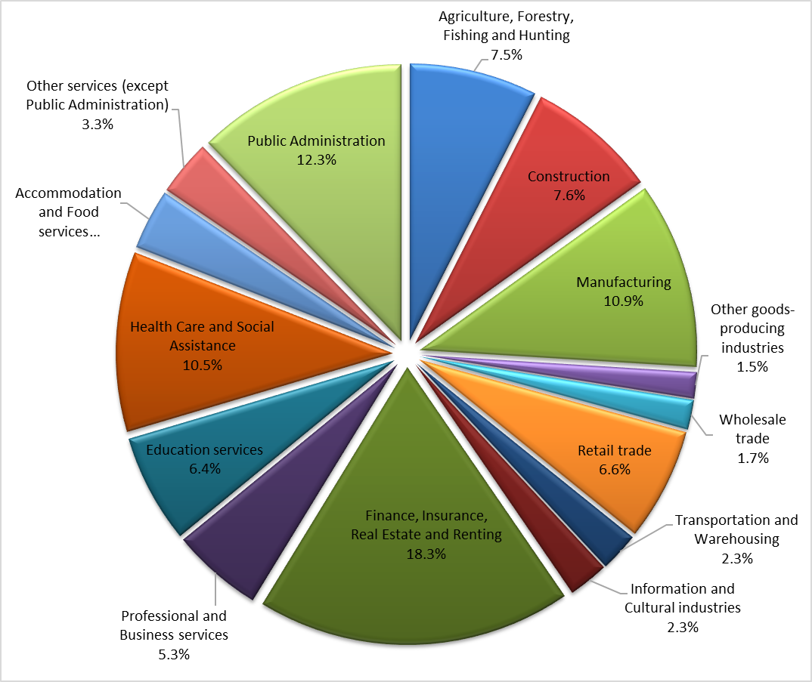

Calculated by the P.E.I. Department of Finance based on Table 44.

81
...
 | 2010 | 23,821,531 | 6.6% | 71,833,585 | -0.1% | 71.8
 | 2019 | 42,294,269 | 9.4% | 238,462,016 | 19.1% | 238.5
 | 2020 | 38,933,466 | -7.9% | 166,156,682 | -30.3% | 166.2
 | 2021 | 47,165,225 | 21.1% | 370,882,610 | 123.2% | 370.9
 | 2022 | 44,373,786 | -5.9% | 312,881,327 | -15.6% | 312.9
 | 2023 | 43,897,005 | -1.1% | 298,841,870 | -4.5% | 298.8
 | 2024(p) | 46,958,130 | 7.0% | 358,401,054 | 19.9% | 358.4

 | p: preliminary data

Source: Statistics Division, Gulf Region, Canada Department of Fisheries and Oceans and Canadian Coast Guard & Prince Edward Island Department of Fisheries, Tourism, Sport and Culture
